Sheet1
 |  | 14.14 |  | 0.07072135785

 |  | Cases per day | Cases in last seven days | For models starting at 5% cumulative infection, equivalent to 14.14 multiplier from case notifications |  | For models starting at 10% cumulative infection, equivalent of 28.28 multiplier from case notifications

 | 1 --> 2 | 450 | 3150 | 45,000 | 6,400 | 90,000 | 12,900
 | 1,2 --> 3 | 900 | 6300 | 89,000 | 12,700 | 178,000 | 25,400 | Beta 6, 12 for proportion of cases isolating
 | 1,2,3 --> 4 | 1800 | 12600 | 178,000 | 25,400 | 356,000 | 50,900

 | 4-->3 | 1200 | 8400 | 119,000 | 17,000 | 238,000 | 34,000
 | 3 -->2 | 600 | 4200 | 59,000 | 8,400 | 118,000 | 16,900
 | 2-->1 | 300 | 2100 | 30,000 | 4,300 | 60,000 | 8,600

 | Seed |  |  | Active cases now * 14.14 |  | Active cases now * 28.28

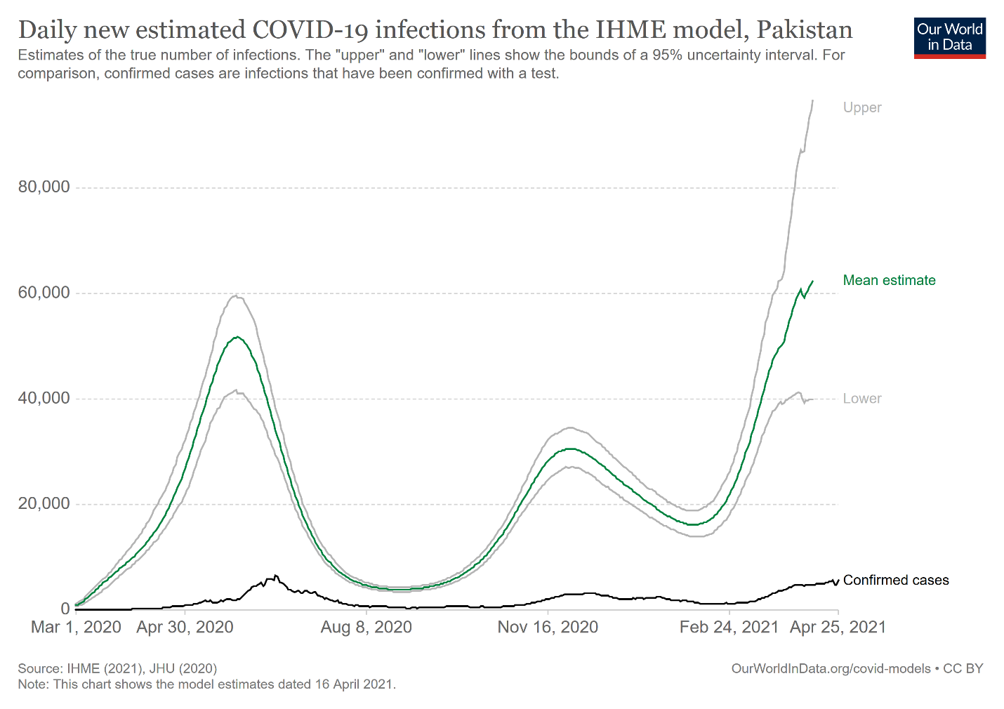

0.94906978021

